Alice
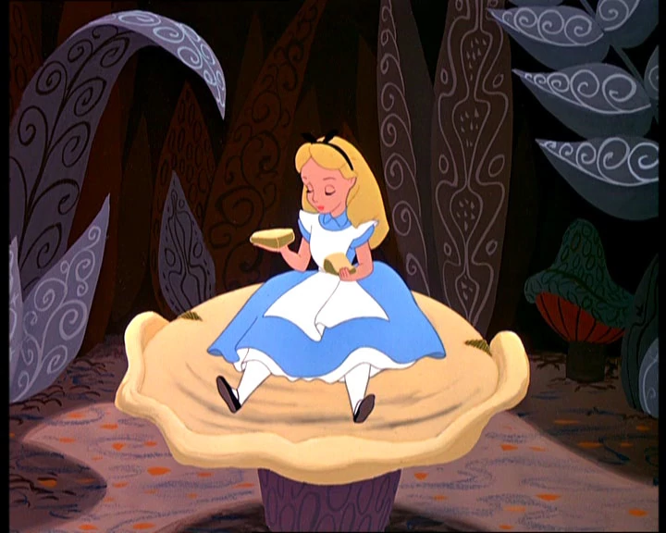
 |  |  | Legend
 |  |  | If a cell is shaded | Cell Should Contain
 |  |  | Blue | Text
 |  |  | Green | Number
 |  |  | Gold | Excel Formula
 |  |  | Any other color | Make no changes

 |  | 1 | Alice eats one bite from the right side and grows from 3" (3 inches) to 45' (45 feet). What percentage change is this?

 |  | For the remainder suppose, for simplicity, that a bite from the right side causes a 15% increas in height, while a bite from the left side causes a 15% decrease in height.

 |  |  |  |  | Video on making this table.
Click to watch |  |  |  |  | Round | Side | Height (inches)
 |  | 2 | Suppose Alice takes one bite from the right, then one from the left and repeats this 20 times. What will her final height be if she starts out 5 feet tall. |  | Start |  | 60
 |  |  |  |  | 1 | Right
 |  |  |  |  |  | Left
 |  | 3 | In (2) does the order in which the bites are taken matter? |  | 2 | Right
 |  |  |  |  |  | Left
 |  |  |  |  | 3 | Right
 | Explain your answer! |  |  |  |  | Left
 |  |  |  |  | 4 | Right
 |  |  |  |  |  | Left
 |  | Bonus | Is there a combination of bites will bring Alice back exactly to her original height if she starts with one bite from the right? |  | 5 | Right
 |  |  |  |  |  | Left
 |  |  |  |  | 6 | Right
 |  |  |  |  |  | Left
 |  |  |  |  | 7 | Right
 |  |  |  |  |  | Left
 |  |  |  |  | 8 | Right
 |  |  |  |  |  | Left
 |  |  |  |  | 9 | Right
 |  |  |  |  |  | Left
 |  |  |  |  | 10 | Right
 |  |  |  |  |  | Left
 |  |  |  |  | 11 | Right
 |  |  |  |  |  | Left
 |  |  |  |  | 12 | Right
 |  |  |  |  |  | Left
 |  |  |  |  | 13 | Right
 |  |  |  |  |  | Left
 |  |  |  |  | 14 | Right
 |  |  |  |  |  | Left
 |  |  |  |  | 15 | Right
 |  |  |  |  |  | Left
 |  |  |  |  | 16 | Right
 |  |  |  |  |  | Left
 |  |  |  |  | 17 | Right
 |  |  |  |  |  | Left
 |  |  |  |  | 18 | Right
 |  |  |  |  |  | Left
 |  |  |  |  | 19 | Right
 |  |  |  |  |  | Left
 |  |  |  |  | 20 | Right
 |  |  |  |  |  | Left

